EDA_ObservationExploratory_Data
Exploratory Data Analysis (EDA)

1. transaction_amount_thb
จากการสำรวจข้อมูล พบว่าจำนวนเงินมีค่าต่ำสุดเป็น -5,000 บาท และค่าสูงสุดสูงถึง 9,999,999 บาท ซึ่งถือเป็นค่าผิดปกติ (outliers) ส่งผลให้ค่าเฉลี่ยและค่าเบี่ยงเบนมาตรฐานสูงมาก ข้อมูลมีการกระจายแบบ skewed ไปทางขวา จึงจำเป็นต้องมีการทำ data cleaning ก่อนการวิเคราะห์
The analysis shows that transaction amounts range from -5,000 THB to 9,999,999 THB, indicating the presence of abnormal values and extreme outliers. These outliers significantly inflate the mean and standard deviation, resulting in a right-skewed distribution. This suggests that data cleaning is required before performing further analysis to avoid distorted results.
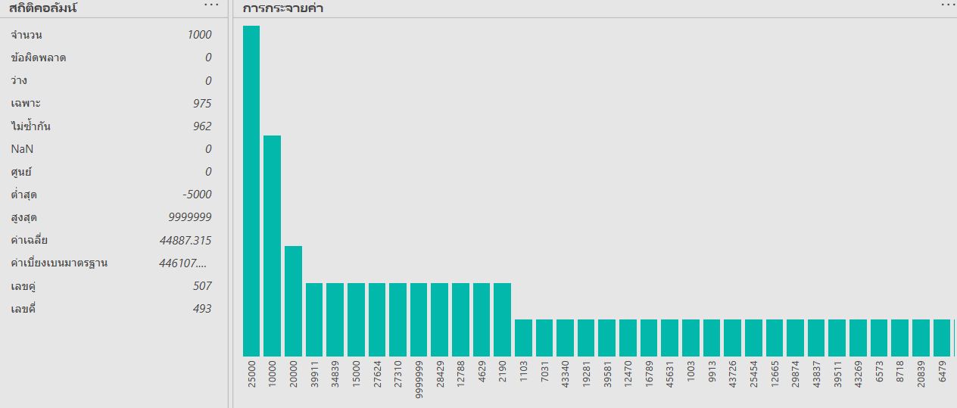

2. time_gap_prev_txn_minutes
พบว่ามีค่าขาดหาย (missing values) จำนวน 5 รายการ และช่วงเวลาระหว่างธุรกรรมมีการกระจายค่อนข้างกว้าง ตั้งแต่ 1 นาทีถึงเกือบ 10,000 นาที โดยค่าช่วงเวลาที่สั้นมากอาจสะท้อนพฤติกรรมที่ผิดปกติ เช่น ธุรกรรมบัญชีม้า
It is observed that there are 5 missing values in this attribute. The time gap between transactions varies widely, ranging from 1 minute to nearly 10,000 minutes. Very short time gaps may reflect unusual behavior, such as rapid consecutive transactions, which could be associated with mule account activities.
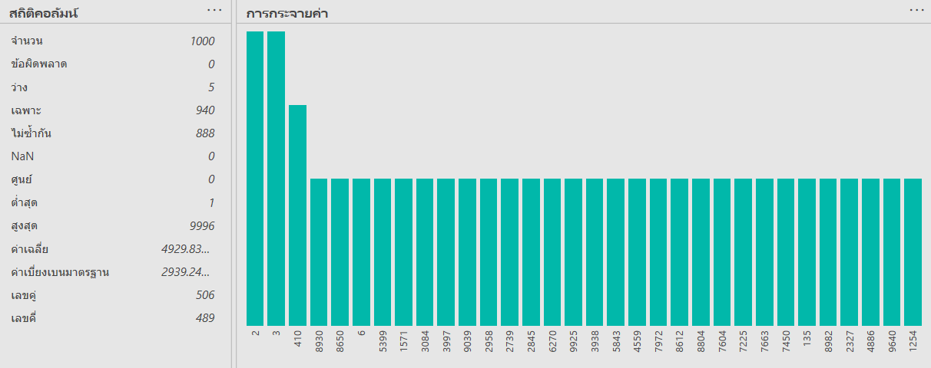

3. transaction_hour
ธุรกรรมเกิดขึ้นตลอดทั้ง 24 ชั่วโมง โดยมีค่าเฉลี่ยอยู่ในช่วงกลางวัน อย่างไรก็ตามยังพบธุรกรรมในช่วงกลางคืน ซึ่งอาจมีความเสี่ยงสูงและสามารถนำไปใช้วิเคราะห์พฤติกรรมการโอนเงินเพิ่มเติมได้
Transactions occur throughout all 24 hours of the day, with the average occurring during daytime hours. However, transactions are also observed during nighttime periods, which may indicate higher-risk behavior and can be further analyzed to identify suspicious transaction patterns.
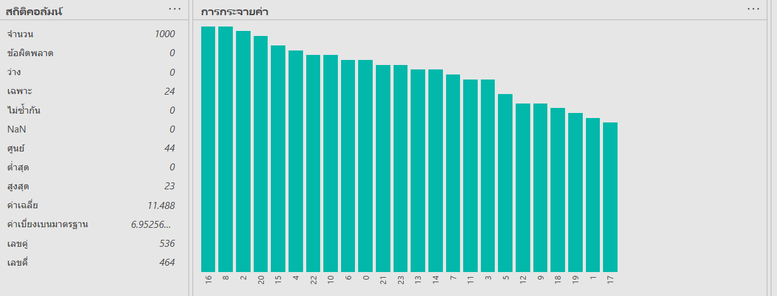

สรุปผลจากการทำ EDA ชี้ให้เห็นว่าข้อมูลมีลักษณะที่สามารถสะท้อนพฤติกรรมที่ผิดปกติได้ เช่น ธุรกรรมที่เกิดถี่ในช่วงเวลาสั้นและจำนวนเงินที่เบี่ยงเบนจากปกติ ซึ่งจะถูกนำไปใช้เป็นแนวทางในการทำ Data Cleaning และการวิเคราะห์ธุรกรรมบัญชีม้าในขั้นตอนถัดไป
Overall, the exploratory data analysis reveals the presence of outliers, missing values, and high variability within the dataset. These characteristics highlight the necessity of performing data cleaning and preprocessing before conducting deeper analysis related to scam-induced and mule account transactions.

 | จากกราฟ Boxplot หลังการปรับช่วงแกน (axis scaling) พบว่า | The boxplot shows that most transaction amounts fall within the range of approximately 10,000 to 40,000 THB,
 | ข้อมูลจำนวนเงินธุรกรรมส่วนใหญ่อยู่ในช่วงประมาณ 10,000 – 40,000 บาท | with the median located around 25,000 THB, representing typical customer transaction behavior.
 | โดยค่ามัธยฐาน (Median) อยู่บริเวณประมาณ 25,000 บาท ซึ่งสะท้อนพฤติกรรมการโอนเงินตามปกติของลูกค้า
 |  | The distribution is right-skewed, indicating the presence of high-value transactions that deviate from the majority of the data.
 | การกระจายของข้อมูลมีลักษณะ เบี่ยงไปทางขวา (right-skewed) | This observation is consistent with the previously identified outliers during the exploratory data analysis phase.
 | เนื่องจากมีธุรกรรมบางรายการที่มีมูลค่าสูงกว่ากลุ่มหลักอย่างชัดเจน
 | ซึ่งสอดคล้องกับการตรวจพบค่าผิดปกติ (outliers) จากขั้นตอน Exploratory Data Analysis ก่อนหน้า | Axis scaling was applied to improve readability and highlight the distribution of the main data cluster,
 |  | without removing or altering outlier values, ensuring the integrity of the raw data is preserved for further preprocessing.
 | การปรับช่วงแกนของกราฟช่วยให้สามารถมองเห็นการกระจายของข้อมูลส่วนใหญ่ได้ชัดเจนขึ้น
 | โดยไม่ได้ทำการลบหรือแก้ไขค่าผิดปกติออกจากชุดข้อมูล
 | ซึ่งเป็นประโยชน์ต่อการวิเคราะห์พฤติกรรมธุรกรรมและการเตรียมข้อมูลในขั้นตอนถัดไป

 | จากกราฟ Boxplot พบว่าช่วงเวลาระหว่างธุรกรรมก่อนหน้า (time_gap_prev_txn_minutes) | The boxplot shows that the time gap between consecutive transactions
 | มีการกระจายของข้อมูลค่อนข้างกว้าง ตั้งแต่ค่าต่ำสุดใกล้ 0 นาที | (time_gap_prev_txn_minutes) has a wide distribution, ranging from values close to 0 minutes
 | ไปจนถึงค่าสูงสุดประมาณ 10,000 นาที | to approximately 10,000 minutes.

 | ค่ามัธยฐาน (Median) อยู่ที่ประมาณ 5,000 นาที | The median is located around 5,000 minutes, indicating that most transactions
 | แสดงให้เห็นว่าธุรกรรมส่วนใหญ่เกิดขึ้นห่างกันในระดับหลายชั่วโมงถึงหลายวัน | are separated by several hours or days, which reflects typical customer behavior.
 | ซึ่งสอดคล้องกับพฤติกรรมธุรกรรมปกติของลูกค้า
 |  | However, the presence of very small time gaps suggests clusters of rapid transactions
 | อย่างไรก็ตาม ยังพบค่าที่อยู่ใกล้ศูนย์นาที | occurring within a short time window. Such behavior may indicate suspicious activity,
 | ซึ่งสะท้อนถึงธุรกรรมที่เกิดขึ้นถี่ในช่วงเวลาสั้น | including transactions related to mule accounts.
 | และอาจเป็นสัญญาณของพฤติกรรมที่ผิดปกติ เช่น
 | ธุรกรรมที่เกี่ยวข้องกับบัญชีม้า (mule accounts) | Although no extreme outliers are observed, the high variability of this attribute
 |  | makes it a valuable feature for behavioral analysis and anomaly detection
 | การกระจายของข้อมูลไม่มี outliers ที่รุนแรง | in subsequent data preprocessing and modeling steps.
 | แต่มีความแปรปรวนสูง ซึ่งบ่งชี้ว่าตัวแปรนี้มีความเหมาะสม
 | ในการนำไปใช้วิเคราะห์พฤติกรรมและแยกความแตกต่าง
 | ระหว่างธุรกรรมปกติและธุรกรรมที่น่าสงสัยในขั้นตอนถัดไป

transaction_amount_thb
 | transaction_amount_thb | transaction_hour
 | 28851 | 16
 | 46117 | 12
 | 16789 | 19
 | 39425 | 6
 | 7858 | 8
 | 12470 | 20
 | 43340 | 21
 | 37506 | 16
 | 25864 | 8
 | 6479 | 22
 | 6573 | 10
 | 39581 | 2
 | 19281 | 16
 | 7031 | 13
 | 1103 | 2
 | 37811 | 18
 | 2010 | 1
 | 5761 | 1
 | 2459 | 16
 | 20839 | 7
 | 8718 | 1
 | 43269 | 14
 | 39511 | 6
 | 45631 | 20
 | 1003 | 2
 | 9913 | 10
 | 43726 | 11
 | 25454 | 14
 | 12665 | 13
 | 29874 | 22
 | 43837 | 11
 | 37394 | 15
 | 48248 | 9
 | 11074 | 1
 | 17779 | 12
 | 39553 | 21
 | 42328 | 14
 | 22991 | 12
 | 8021 | 10
 | 34260 | 9
 | 42539 | 23
 | 6419 | 7
 | 4327 | 8
 | 42531 | 4
 | 24190 | 4
 | 20927 | 20
 | 19626 | 13
 | 24538 | 11
 | 1855 | 12
 | 16835 | 6
...

 | จากกราฟ Histogram ของตัวแปร transaction_amount_thb | The histogram of transaction_amount_thb shows that most transaction amounts
 | พบว่าจำนวนเงินธุรกรรมมีการกระจายตัวอยู่ในช่วงประมาณ 1,000 – 50,000 บาท | are distributed within the range of approximately 1,000 to 50,000 THB,
 | โดยมีความถี่ของธุรกรรมกระจายค่อนข้างสม่ำเสมอในช่วงดังกล่าว | with transaction frequencies spread relatively evenly across this interval.

 | อย่างไรก็ตาม ยังพบแท่งกราฟบางส่วนที่มีค่าสูงกว่าช่วงหลักอย่างชัดเจน | However, several values extend beyond the main range, indicating the presence
 | ซึ่งสะท้อนถึง ค่าผิดปกติ (outliers) ที่มีมูลค่าสูงกว่าธุรกรรมทั่วไป | of outliers with significantly higher transaction amounts.
 | ทำให้การกระจายของข้อมูลมีลักษณะ เบี่ยงไปทางขวา (right-skewed) | As a result, the distribution exhibits a right-skewed pattern.

 | กราฟนี้แสดงให้เห็นว่าข้อมูลดิบมีความแปรปรวนค่อนข้างสูง | This visualization highlights the high variability of the raw data and
 | และมีค่าที่อาจบิดเบือนการวิเคราะห์ หากไม่ผ่านการทำ data cleaning | demonstrates the potential impact of extreme values on analysis results.
 | จึงเป็นเหตุผลสนับสนุนความจำเป็นของขั้นตอนการเตรียมข้อมูล | Therefore, data cleaning is necessary to ensure reliable insights
 | ก่อนนำไปใช้ในการวิเคราะห์เชิงลึกหรือการสร้างแบบจำลองต่อไป | in subsequent analytical and modeling stages.

 | transaction_hour
 | 16
 | 12
 | 19
 | 6
 | 8
 | 20
 | 21
 | 16
 | 8
 | 22
 | 10
 | 2
 | 16
 | 13
 | 2
 | 18
 | 1
 | 1
 | 16
 | 7
 | 1
 | 14
 | 6
 | 20
 | 2
 | 10
 | 11
 | 14
 | 13
 | 22
 | 11
 | 15
 | 9
 | 1
 | 12
 | 21
 | 14
 | 12
 | 10
 | 9
 | 23
 | 7
 | 8
 | 4
 | 4
 | 20
 | 13
 | 11
 | 12
 | 6
...

 | จากกราฟ Histogram ของตัวแปร transaction_hour | The histogram of transaction_hour shows that transactions occur across
 | พบว่าธุรกรรมเกิดขึ้นตลอดทั้ง 24 ชั่วโมง (0–23 นาฬิกา) | all 24 hours of the day (0–23), with a relatively uniform distribution
 | โดยการกระจายของข้อมูลค่อนข้างสม่ำเสมอในทุกช่วงเวลา | and no obvious peak at a specific time period.
 | ไม่มีช่วงเวลาที่มีความถี่สูงผิดปกติอย่างชัดเจน
 |  | Nevertheless, the presence of transactions during late-night and off-business hours
 | อย่างไรก็ตาม ยังพบว่ามีธุรกรรมเกิดขึ้นในช่วง กลางคืนและนอกเวลาทำการ | may indicate potentially higher-risk behavior. This temporal pattern
 | ซึ่งอาจสะท้อนพฤติกรรมการโอนเงินที่มีความเสี่ยงสูง | can be leveraged for behavioral analysis and anomaly detection,
 | และสามารถนำไปใช้เป็นปัจจัยในการวิเคราะห์พฤติกรรมที่ผิดปกติ | including the identification of mule-related transactions.
 | เช่น การตรวจจับธุรกรรมที่เกี่ยวข้องกับบัญชีม้า (mule accounts)
 |  | Overall, this variable provides valuable temporal insights
 | การกระจายของข้อมูลลักษณะนี้แสดงให้เห็นว่า | and can be used for segmentation and further analytical modeling.
 | ตัวแปรด้านเวลาเป็นตัวแปรสำคัญที่สามารถนำไปใช้
 | ในการแบ่งกลุ่ม (segmentation) และวิเคราะห์พฤติกรรมผู้ใช้
 | ในขั้นตอนการวิเคราะห์เชิงลึกต่อไป

